Sheet1
Question Name | Query
Revising Aggregations - The Count Function | select count(*) from city where population>100000;
Average Population | select count(*) from city where population>100000;
Japan Population | select sum(population) from city where countrycode='JPN';
Population Density Difference | select max(population) - min(population) from city;
Weather Observation Station 2 | select round(sum(lat_n),2) , round(sum(long_w),2) from station;
Weather Observation Station 6 | select distinct city from station where left(city, 1) in ('a', 'e', 'i', 'o', 'u'); | MySQL
weather observation station 9 | select distinct city from station where left(city, 1) not in ('a', 'e', 'i', 'o', 'u'); | MYSQL
weather observation station 10 | select distinct city from station where right(city, 1) not in ('a', 'e', 'i', 'o', 'u'); | MYSQL
weather observation station 11 | select distinct city from station where right(city, 1) not in ('a', 'e', 'i', 'o', 'u') or left(city, 1) not in ('a', 'e', 'i', 'o', 'u'); | MYSQL
weather observation station 12 | select distinct city from station where right(city, 1) not in ('a', 'e', 'i', 'o', 'u') AND left(city, 1) not in ('a', 'e', 'i', 'o', 'u'); | MYSQL
Weather Observation Station 13 | select round(sum(lat_n),4)from station where lat_n between 38.7880 and 137.2345;
Weather Observation Station 14 | select round(max(lat_n),4) from station where lat_n <137.2345;
Weather Observation Station 15 | select round(long_w,4)from station where lat_n = (select max(lat_n) from station where lat_n<137.2345);
Weather Observation Station 16 | select round(min(lat_n),4) from station where lat_n > 38.7780;
Weather Observation Station 17 | select round(long_w,4) from station where lat_n = (select min(lat_n) from station where lat_n >38.7780);
Weather Observation Station 18 | select round((abs(min(lat_n) - max(lat_n)) + abs(min(long_w) - max(long_w))),4) from station ;
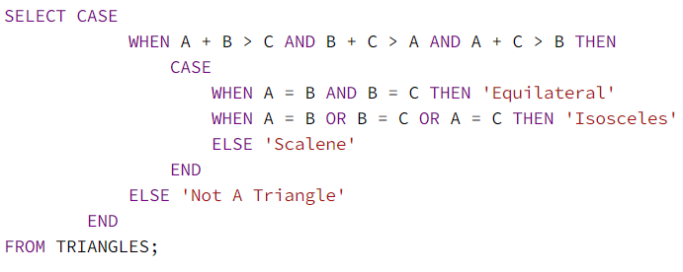
Weather Observation Station 19 | select round(power(power(abs(min(lat_n) - max(lat_n)),2) + power(abs(min(long_w) - max(long_w)),2),0.5),4) from station ;
Type of Triangle

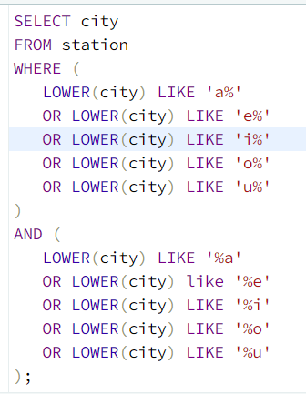
Weather Observation Station 8

African Cities | SELECT CITY.NAME FROM CITY INNER JOIN COUNTRY ON CITY.countrycode = COUNTRY.code where COUNTRY.CONTINENT = 'Africa'; | MySQL
Population Census | select sum(city.population) from city inner join country on CITY.countrycode = COUNTRY.code where COUNTRY.CONTINENT = 'Asia'; | MySQL
The Blunder | SELECT CEIL(AVG(Salary)-AVG(REPLACE(Salary,'0',''))) FROM EMPLOYEES; | MySQL
Weather Observation Station 5 | select distinct(city), length(city) from station | MySQL
 | where length(city)=(select min(length(city)) from station) order by city asc limit 1; | MySQL
 | select distinct(city), length(city) from station | MySQL
 | where length(city)=(select max(length(city)) from station) | MySQL
 | order by city asc limit 1; | MySQL
 |  | MySQL
 |  | MySQL
Average Population of Each Continent | SELECT COUNTRY.continent ,round(avg(city.population)-.4) | MySQL
 | FROM city inner join country | MySQL
 | ON CITY.countrycode = COUNTRY.code | MySQL
 | group by COUNTRY.continent; | MySQL

The Report | SELECT IF(GRADE < 8, NULL, NAME), GRADE, MARKS | MySQL
 | FROM STUDENTS JOIN GRADES | MySQL
 | WHERE MARKS BETWEEN MIN_MARK AND MAX_MARK | MySQL
 | ORDER BY GRADE DESC, NAME | MySQL

Top Earners | select (salary * months)as earnings ,count(*) from employee group by 1 order by earnings desc limit 1; | MySQL

